Job Details

Job Number & Name: | 35084 LB Bexley
Site Number/Name: | Site 5 - Wickham Street (West)
Client: | Waterman
Date: | 2023-03-30

Site Plan
Advanced Transport Research |  |  | Job Number & Name: | 35084 LB Bexley
Site 5 - Wickham Street (West) |  |  | Date: | 2023-03-30

Job Type: | Pedestrian & Vehicle Count
Co-ordinates: | 51°28'7.27"N, 0° 6'1.20"E | Postcode: | DA16 3LT |  | Times: | 0730-0930 1430-1630

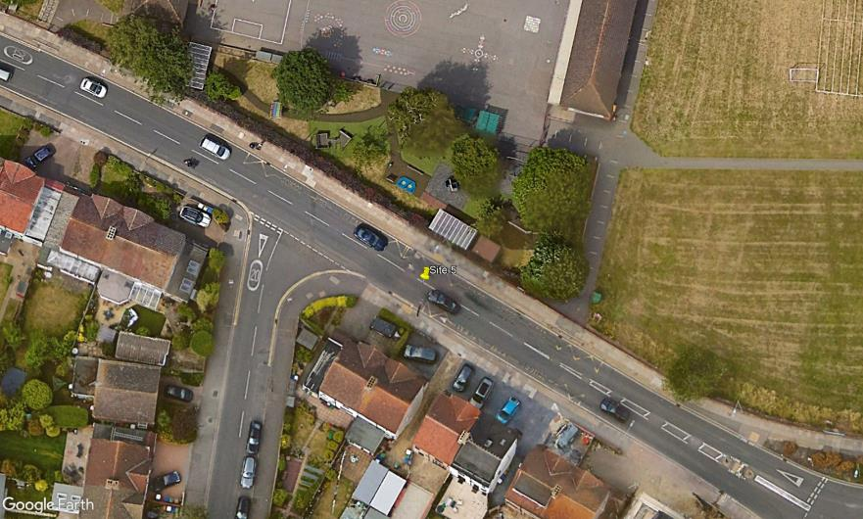
N

Wickham Street

3

D

C

A

B

Awilscombe Road

1
2

